Tanzania Map
TANZANIA NATIONAL PARKS MAP – REFERENCE

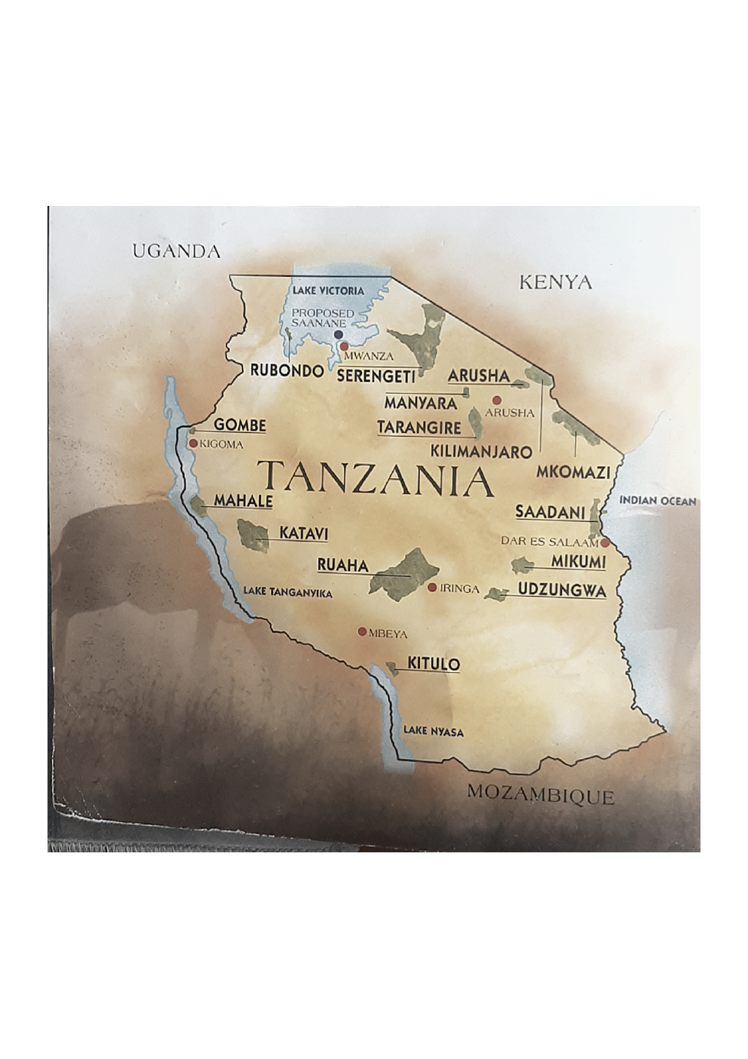

Note: The map above is the user-supplied reference map. The matrix uses current official protected-area information to expand the map into tourism circuits/zones and to distinguish National Parks from Game Reserves.

